Sheet1
Phone comparison central

 | Brand | apple | Brand | apple

 | Select phone | [Dynamic Dropdown] | Select phone | [Dynamic Dropdown]
 | 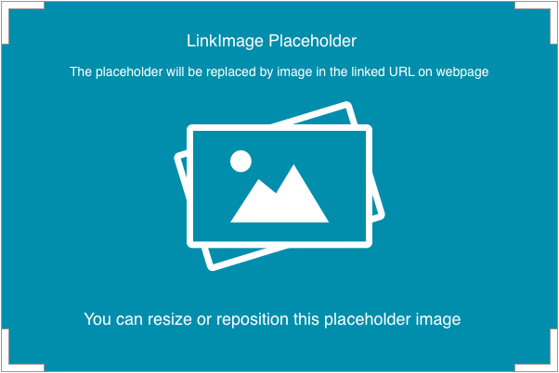

 | Compare | YES

 | Specifications |  | Specifications

 | 0

